Static analysis
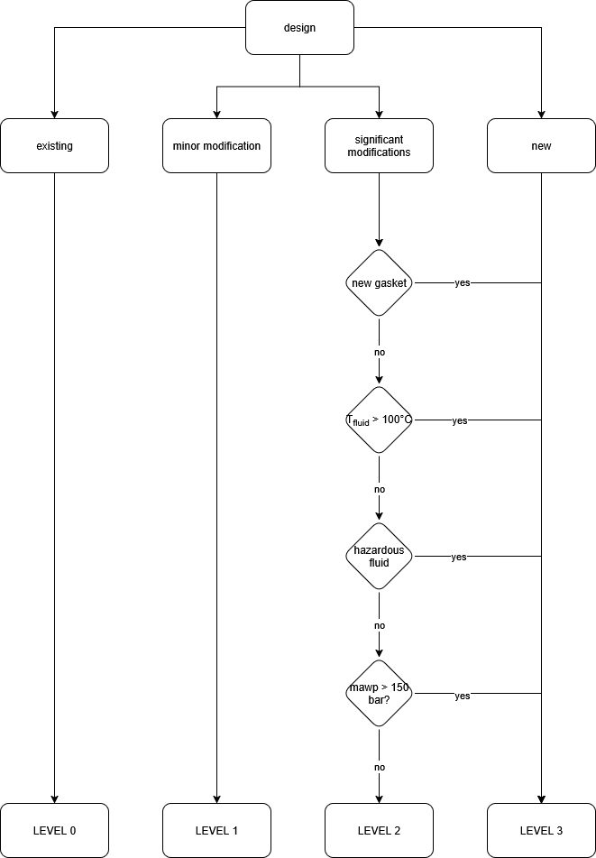

design | significant modification
new gasket | no | If a gasket (o-ring excluded) is present in the pump assembly
Tfluid > 100°C | no
hazardous fluid | no
mawp > 150 bar | no
Level | Level 2

